GDP vs Life expectancy
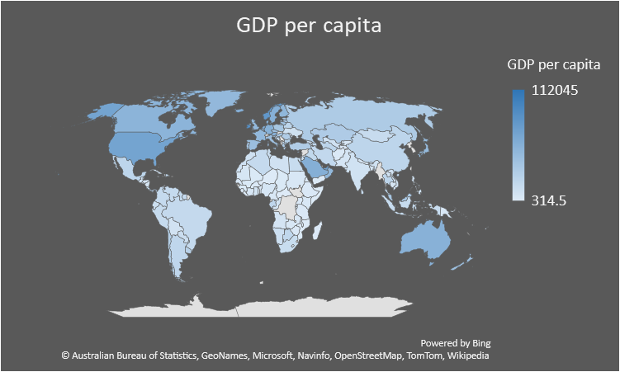
Country | GDP per capita | Life expectancy
Afghanistan | 2182 | 64.5
Algeria | 16091 | 76.7
Angola | 6763 | 60.8
Antigua and Barbuda | 30593 | 76.9
Argentina | 19971 | 76.5
Armenia | 11845 | 74.9
Australia | 54799 | 83.3
Austria | 55171 | 81.4
Azerbaijan | 19156 | 72.9
Bahrain | 51991 | 77.2
Bangladesh | 5453 | 72.3
Barbados | 19364 | 79.1
Belarus | 21224 | 74.6
Belgium | 50904 | 81.5
Belize | 8791 | 74.5
Benin | 3648 | 61.5
Bhutan | 10627 | 71.5
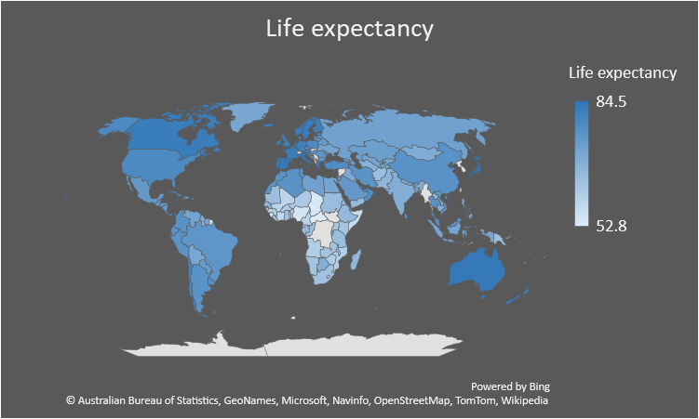
Bolivia | 8525 | 71.2
Bosnia and Herzegovina | 14894 | 77.3
Botswana | 19388 | 69.3
Brazil | 17106 | 75.7
Bulgaria | 26034 | 74.9
Burkina Faso | 2181 | 61.2
Burundi | 724 | 61.2
Cambodia | 5004 | 69.6
Cameroon | 4099 | 58.9
Canada | 52144 | 82.3
Central African Republic | 864 | 52.8
Chad | 2603 | 54
Chile | 27150 | 80
China | 20984 | 76.7
Colombia | 16265 | 77.1
Comoros | 2898 | 64.1
Republic of the Congo | 7336 | 64.3
Costa Rica | 18651 | 80.1
Croatia | 29207 | 78.3
Cuba | 8822 | 78.6
Cyprus | 42956 | 80.8
Czech Republic | 40585 | 79.2
Denmark | 55675 | 80.8
Djibouti | 5855 | 66.6
Dominican Republic | 20625 | 73.9
Ecuador | 11866 | 76.8
Egypt | 14800 | 71.8
El Salvador | 8593 | 73.1
Eritrea | 1103 | 65.9
Estonia | 37606 | 78.6
Ethiopia | 2702 | 66.2
Fiji | 12689 | 67.3
Finland | 49548 | 81.7
France | 48640 | 82.5
Gabon | 19839 | 66.2
Georgia | 13200 | 73.6
Germany | 55306 | 81.2
Ghana | 7343 | 63.8
Greece | 31616 | 82.1
Greenland | 48182 | 71.25
Grenada | 17434 | 72.4
Guatemala | 9009 | 74.1
Guinea | 2574 | 61.2
Guinea | 2574 | 61.2
Guyana | 17163 | 69.8
Haiti | 1916 | 63.7
Honduras | 5600 | 75.1
Hungary | 35941 | 76.7
Iceland | 56974 | 82.9
India | 9027 | 69.4
Indonesia | 14841 | 71.5
Iran | 17832 | 76.5
Iraq | 18755 | 70.5
Ireland | 86988 | 82.1
Israel | 40337 | 82.8
Italy | 41582 | 83.6
Ivory Coast | 4754 | 57.4
Jamaica | 9932 | 74.4
Japan | 46827 | 84.5
Jordan | 9939 | 74.4
Kazakhstan | 30178 | 73.2
Kenya | 4078 | 63.3
Kiribati | 2193 | 68.1
Kyrgyzstan | 4193 | 71.3
Laos | 8684 | 67.6
Latvia | 32987 | 75.2
Lebanon | 15599 | 78.9
Lesotho | 3655 | 53.7
Liberia | 1428 | 63.7
Libya | 9446 | 72.7
Lithuania | 38751 | 75.7
Luxembourg | 112045 | 82.1
Madagascar | 1776 | 66.7
Malawi | 1292 | 63.8
Malaysia | 34567 | 76.1
Mali | 2569 | 58.9
Malta | 49589 | 82.4
Mauritania | 5158 | 64.7
Mauritius | 26461 | 74.9
Mexico | 21363 | 75
Moldova | 8161 | 71.8
Mongolia | 15089 | 69.7
Morocco | 9667 | 76.5
Mozambique | 1372 | 60.2
Namibia | 11451 | 63.4
Nepal | 3550 | 70.5
Netherlands | 60299 | 82.1
New Zealand | 42045 | 82.1
Nicaragua | 5297 | 74.3
Niger | 1152 | 62
Nigeria | 6172 | 54.3
North Macedonia | 17378 | 75.7
Norway | 79638 | 82.5
Oman | 48593 | 77.6
Pakistan | 6016 | 67.1
Panama | 28456 | 78.3
Papua New Guinea | 4081 | 64.3
Paraguay | 13213 | 74.1
Peru | 15399 | 76.5
Philippines | 10094 | 71.1
Poland | 35651 | 78.5
Portugal | 34936 | 81.9
Romania | 29555 | 75.9
Russia | 30820 | 72.4
Rwanda | 2642 | 68.7
Saudi Arabia | 56912 | 75
Senegal | 4079 | 67.7
Seychelles | 33118 | 73.3
Sierra Leone | 1765 | 54.3
Singapore | 105689 | 83.8
Slovenia | 40344 | 81.2
Solomon Islands | 2363 | 72.8
Somalia | 314.5 | 56.7
South Africa | 13965 | 63.9
Spain | 43007 | 83.4
Sri Lanka | 14509 | 76.8
Sudan | 3986 | 65.1
Suriname | 16044 | 71.6
Sweden | 55989 | 82.7
Tajikistan | 3751 | 70.9
Tanzania | 3652 | 65
Thailand | 21361 | 76.9
Togo | 1913 | 60.8
Trinidad and Tobago | 33713 | 73.4
Tunisia | 13093 | 76.5
Turkey | 29327 | 78.3
Turkmenistan | 21855 | 68.1
Uganda | 2753 | 63
Ukraine | 10130 | 72
United Arab Emirates | 70441 | 77.8
United Kingdom | 48169 | 81.2
United States | 67426 | 78.9
Uruguay | 24516 | 77.8
Uzbekistan | 9595 | 71.5
Vanuatu | 3039 | 70.3
Venezuela | 16055 | 72.1
Vietnam | 8677 | 75.3
Yemen | 2312 | 66.1
Zambia | 4174 | 63.5
Zimbabwe | 2778 | 61.2

Pop Growth vs Meat Consuption
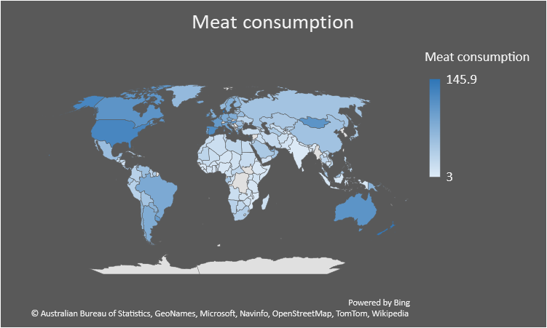
Country | Meat consumption | Population growth
Afghanistan | 17.3 | 2.41
Algeria | 18.3 | 1.89
Angola | 19 | 3.12
Antigua and Barbuda | 56 | 1.03
Argentina | 79.7 | 0.88
Armenia | 27.7 | 0.17
Australia | 108.2 | 1.6
Austria | 94.1 | 0.46
Meat consumption and Population growth
Azerbaijan | 15.9 | 1.35
Bahrain | 70.7 | 1.92
Bangladesh | 3.1 | 1.19
Barbados | 88.7 | 0.5
Belarus | 58.6 | -0.1
Belgium | 86.1 | 0.85
Belize | 74.7 | 2.43
Benin | 16.2 | 2.73
Bhutan | 3 | 1.68
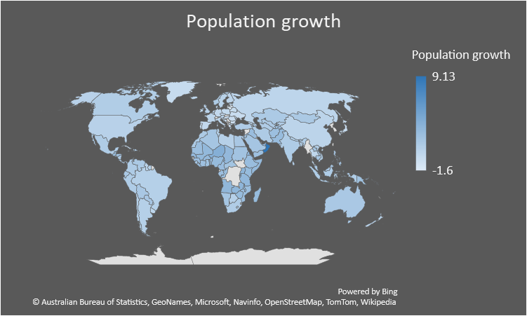
Bolivia | 50 | 1.65
Bosnia and Herzegovina | 21.4 | -0.14
Botswana | 27.3 | 0.86
Brazil | 82.4 | 0.87
Bulgaria | 69.4 | -0.6
Burkina Faso | 11.2 | 2.86
Burundi | 3.5 | 3.19
Cambodia | 13.9 | 1.76
Cameroon | 14.4 | 2.54
Canada | 108.1 | 1.14
Central African Republic | 28 | 1.99
Chad | 14.3 | 3
Chile | 66.4 | 0.9
China | 52.4 | 0.49
Colombia | 33.9 | 1.32
Comoros | 7.6 | 2.44
Republic of the Congo | 13.3 | 2.61
Costa Rica | 40.4 | 1.42
Croatia | 49.9 | -0.32
Cuba | 32.2 | -0.05
Cyprus | 131.3 | 1.11
Czech Republic | 77.3 | 0.18
Denmark | 145.9 | 0.36
Djibouti | 17.1 | 1.52
Dominican Republic | 37.8 | 1.26
Ecuador | 45 | 1.6
Egypt | 22.5 | 1.66
El Salvador | 21.4 | 0.66
Eritrea | 7.7 | 3.28
Estonia | 67.4 | -0.04
Ethiopia | 7.9 | 2.58
Fiji | 39.1 | 0.78
Finland | 67.4 | 0.48
France | 101.1 | 0.5
Gabon | 46 | 2.39
Georgia | 26 | 0.63
Germany | 82.1 | 0.11
Ghana | 9.9 | 2.17
Greece | 78.7 | -0.18
Greenland | 63.4 | -0.11
Grenada | 97 | 0.39
Guatemala | 23.8 | 2.53
Guinea | 6.5 | 2.56
Guinea | 6.5 | 2.56
Guyana | 31.8 | 0.57
Haiti | 15.3 | 1.39
Honduras | 24.7 | 2.03
Hungary | 100.7 | -0.28
Iceland | 84.8 | 0.35
India | 5.2 | 1.26
Indonesia | 8.3 | 1.25
Iran | 23.1 | 1.32
Iraq | 18.2 | 2.54
Ireland | 106.3 | 0.26
Israel | 97.1 | 1.81
Italy | 90.4 | 0.32
Ivory Coast | 11.3 | 2.29
Jamaica | 56.8 | 0.21
Japan | 45.9 | -0.2
Jordan | 29.8 | 2.19
Kazakhstan | 44.8 | 1.43
Kenya | 14.3 | 2.7
Kiribati | 32.1 | 1.54
Kyrgyzstan | 39 | 1.22
Laos | 15 | 1.89
Latvia | 45.7 | -1.6
Lebanon | 63.1 | 0.96
Lesotho | 15.4 | 1.08
Liberia | 7.9 | 2.68
Libya | 28.6 | 0.84
Lithuania | 49.5 | -1.48
Luxembourg | 141.7 | 2.49
Madagascar | 17.6 | 2.8
Malawi | 5.1 | 2.86
Malaysia | 50.9 | 1.66
Mali | 19 | 2.99
Malta | 86.9 | 0.4
Mauritania | 29.9 | 2.49
Mauritius | 39.6 | 0.42
Mexico | 58.6 | 1.24
Moldova | 22.7 | -0.04
Mongolia | 108.8 | 1.52
Morocco | 20.6 | 1.43
Mozambique | 5.6 | 2.5
Namibia | 34 | 1.87
Nepal | 10 | 1.16
Netherlands | 89.3 | 0.45
New Zealand | 142.1 | 0.63
Nicaragua | 14.9 | 1.46
Niger | 11.2 | 3.84
Nigeria | 8.6 | 2.79
North Macedonia | 35.4 | 0.08
Norway | 61.7 | 1.32
Oman | 49.8 | 9.13
Pakistan | 12.3 | 2.69
Panama | 54.5 | 1.64
Papua New Guinea | 73 | 2.17
Paraguay | 70.3 | 1.72
Peru | 34.5 | 1.25
Philippines | 31.1 | 1.72
Poland | 78.1 | 0.02
Portugal | 91.1 | -0.29
Romania | 54.5 | -0.27
Russia | 51 | 0.4
Rwanda | 4.4 | 2.77
Saudi Arabia | 44.6 | 1.88
Senegal | 17.7 | 2.92
Seychelles | 51.1 | 0.39
Sierra Leone | 6.1 | 1.91
Singapore | 71.1 | 2.45
Slovenia | 88 | 0.26
Solomon Islands | 9.7 | 2.13
Somalia | 9.5 | 2.86
South Africa | 39 | 1.18
Spain | 118.6 | 0.09
Sri Lanka | 6.6 | 1.04
Sudan | 21 | 2.08
Suriname | 40.3 | 0.9
Sweden | 76.1 | 0.71
Tajikistan | 8.7 | 2.45
Tanzania | 10 | 3.04
Thailand | 27.9 | 0.31
Togo | 8.5 | 2.6
Trinidad and Tobago | 57.8 | 0.33
Tunisia | 25.5 | 0.97
Turkey | 19.3 | 1.28
Turkmenistan | 41.7 | 1.29
Uganda | 11.7 | 3.35
Ukraine | 32.3 | -0.25
United Arab Emirates | 74.4 | 3.1
United Kingdom | 79.6 | 0.75
United States | 124.8 | 0.74
Uruguay | 98.6 | 0.35
Uzbekistan | 20.7 | 1.47
Vanuatu | 32.6 | 2.24
Venezuela | 56.6 | 1.53
Vietnam | 28.6 | 1.06
Yemen | 14.7 | 2.33
Zambia | 11.9 | 3.19
Zimbabwe | 15.2 | 2.7

Urbanization rate vs Height
Height Distribution Count
Urbanization rate | Male Height in Cm | Female Height in Cm
36.3 | 162.78 | 153.1 |  | Male height | Female height
24.7 | 163.07 | 156.79 | <154 | 0 | 5
13.3 | 163.1 | 156.89 | 154 - 158 | 0 | 32
37.1 | 164.3 | 155.42 | 158 - 162 | 0 | 66
51.8 | 164.36 | 150.91 | 162 - 166 | 14 | 37
20.6 | 164.36 | 152.39 | 166 - 170 | 30 | 16
36.6 | 164.42 | 154.76 | >= 170 | 113 | 1
38.2 | 165.08 | 152.38
Urbanization rate and Male Height
38.5 | 165.16 | 153.06
47.4 | 165.23 | 154.14
24.2 | 165.35 | 154.75
52.1 | 165.48 | 156.54
55.3 | 165.54 | 160.06
17.4 | 165.68 | 156.14
17.4 | 166.02 | 156.72
56.6 | 166.26 | 154.36
42.9 | 166.43 | 157.34
34.9 | 166.5 | 155.18
78.3 | 166.75 | 154.39
35.2 | 166.98 | 156.89
42.3 | 167.05 | 155.15
64.2 | 167.32 | 155.25
37.2 | 167.33 | 154.77
13.7 | 167.34 | 155.08
Urbanization rate and Female Height
44.6 | 167.62 | 157.32
29.4 | 167.72 | 156.54
29 | 167.92 | 156.72
18.7 | 168.07 | 155.88
70.1 | 168.1 | 155.58
51.7 | 168.23 | 158.65
25.5 | 168.29 | 160.48
27.5 | 168.43 | 158.12
48.4 | 168.44 | 158.4
66.8 | 168.46 | 158.1
26 | 168.5 | 156.11
25 | 168.74 | 158.53
21.7 | 168.84 | 157.15
37.3 | 168.89 | 158.43
42.2 | 169.01 | 159.65
77.2 | 169.2 | 157.06
58.4 | 169.59 | 155.18
67.4 | 169.63 | 158.58
52 | 169.75 | 160.26
59 | 169.91 | 155.62
55.6 | 170.09 | 161.04
42.8 | 170.14 | 159.13
68.4 | 170.19 | 158.19
16.6 | 170.26 | 159.81
80.7 | 170.29 | 157.9
57.3 | 170.3 | 158.86
28 | 170.46 | 159.43
90.1 | 170.48 | 160.05
46 | 170.52 | 158.12
41.3 | 170.6 | 157.58
73.4 | 170.67 | 156.39
84.3 | 170.67 | 158.84
68.7 | 170.67 | 159.89
32.2 | 170.69 | 159.85
44.2 | 170.7 | 158.75
44.2 | 170.7 | 158.75
78.1 | 170.77 | 159.82
50.4 | 170.94 | 160.29
46.1 | 171.22 | 159.86
67.8 | 171.23 | 158.78
52 | 171.55 | 158.14
51.4 | 171.61 | 159.42
36.9 | 171.66 | 160.2
86.3 | 171.7 | 158.44
23.5 | 171.84 | 162.12
81.4 | 171.85 | 157.96
30.6 | 171.89 | 161.33
91.8 | 172.06 | 158.5
35.3 | 172.07 | 160.36
57.6 | 172.13 | 160.41
26.8 | 172.15 | 159.57
57.1 | 172.23 | 160.58
66.8 | 172.75 | 160.55
89.5 | 172.76 | 158.29
87.7 | 172.88 | 159.42
40.8 | 173.01 | 158.94
70.9 | 173.16 | 162.06
100 | 173.5 | 161.3
88.3 | 173.53 | 160.04
77.2 | 173.56 | 160.13
63.3 | 173.67 | 159.85
70.9 | 173.79 | 158.75
62.2 | 173.81 | 159.76
87.3 | 173.84 | 161.4
57.2 | 173.98 | 164.28
56.4 | 174 | 161.37
80.8 | 174.04 | 160.36
87 | 174.08 | 160.53
75.7 | 174.17 | 164.58
95.5 | 174.32 | 161.56
66.3 | 174.37 | 161.23
52.5 | 174.37 | 162.83
94.7 | 174.38 | 162.95
71 | 174.42 | 161.81
66.1 | 174.51 | 162.26
42.8 | 174.57 | 160.88
82.5 | 174.65 | 161.21
92.1 | 174.76 | 161.22
91.4 | 174.84 | 159.46
43.9 | 175.02 | 161.99
73.7 | 175.04 | 162.35
57.7 | 175.5 | 161.74
42.8 | 175.59 | 162.96
75.9 | 175.62 | 161.18
61.4 | 175.66 | 163.46
87.1 | 175.73 | 162.41
57.5 | 175.9 | 162.47
92.6 | 175.98 | 162.22
59.5 | 175.98 | 163.24
53.2 | 176.03 | 163.38
80.8 | 176.11 | 162.03
48.1 | 176.18 | 163.92
63.5 | 176.35 | 161.18
76.1 | 176.36 | 161.8
80.7 | 176.39 | 162.56
58.5 | 176.43 | 160.88
71.9 | 176.59 | 162.55
74.8 | 176.65 | 164.52
69.6 | 176.85 | 161.69
82.7 | 176.94 | 163.31
56.3 | 176.97 | 164.32
31.2 | 177.03 | 165.66
86.7 | 177.72 | 164.66
56.4 | 177.82 | 164.73
83.9 | 178.21 | 163.94
91.5 | 178.46 | 165.07
58.7 | 178.52 | 166.93
81 | 178.6 | 164.49
79.5 | 178.69 | 166.93
36.5 | 178.7 | 165.99
81.6 | 178.75 | 164.73
86.2 | 178.77 | 164.67
24.4 | 178.84 | 165.72
88.9 | 178.96 | 163.67
63.7 | 179.04 | 164.5
98.1 | 179.09 | 163.4
79.7 | 179.26 | 165.81
77.5 | 180.28 | 166.18
88 | 180.46 | 166.67
83 | 180.48 | 166.45
85.5 | 180.57 | 166.48
60 | 180.69 | 165.78
68 | 180.72 | 167.63
57.6 | 180.76 | 166.8
69.6 | 180.98 | 166.62
55.1 | 180.98 | 167.2
68.3 | 181.17 | 168.81
74.1 | 181.19 | 167.96
88.1 | 181.89 | 169.47
93.9 | 182.1 | 168.91
49 | 182.47 | 167.47
69.2 | 182.79 | 168.66
92.2 | 183.78 | 170.36

Median age vs Fertility
Fertility and Median age
Country | Fertility | Median age
Afghanistan | 4.5 | 27.4
Algeria | 3 | 28.1
Angola | 5.5 | 15.9
Antigua and Barbuda | 2 | 31.9
Argentina | 2.3 | 31.7
Armenia | 1.8 | 35.1
Australia | 1.7 | 38.7
Austria | 1.5 | 44
Azerbaijan | 1.7 | 32.3
Bahrain | 2 | 32.3
Bangladesh | 2 | 26.7
Barbados | 1.6 | 38.6
Belarus | 1.4 | 40
Belgium | 1.6 | 41.4
Belize | 2.3 | 22.7
Benin | 4.8 | 18.2
Bhutan | 2 | 27.6
Bolivia | 2.7 | 24.3
Bosnia and Herzegovina | 1.3 | 42.1
Botswana | 2.9 | 24.5
Brazil | 1.7 | 32.6
Bulgaria | 1.6 | 42.7
Burkina Faso | 5.2 | 17.3
Burundi | 5.4 | 17
Cambodia | 2.5 | 25.3
Cameroon | 4.6 | 18.5
Canada | 1.5 | 42.2
Central African Republic | 4.7 | 19.7
Chad | 5.7 | 17.8
Chile | 1.6 | 34.4
China | 1.7 | 37.4
Colombia | 1.8 | 30
Comoros | 4.2 | 19.9
Republic of the Congo | 4.4 | 19.7
Costa Rica | 1.8 | 31.3
Croatia | 1.5 | 43
Cuba | 1.6 | 41.5
Cyprus | 1.3 | 36.8
Czech Republic | 1.7 | 42.1
Denmark | 1.7 | 42.2
Djibouti | 2.7 | 23.9
Dominican Republic | 2.3 | 28.1
Ecuador | 2.4 | 27.7
Egypt | 3.3 | 23.9
El Salvador | 2 | 27.1
Eritrea | 4.1 | 19.7
Estonia | 1.7 | 42.7
Ethiopia | 4.2 | 17.9
Fiji | 2.8 | 28.9
Finland | 1.4 | 42.5
France | 1.9 | 41.4
Gabon | 4 | 18.6
Georgia | 2.1 | 38.1
Germany | 1.6 | 47.1
Ghana | 3.9 | 21.1
Greece | 1.4 | 44.5
Greenland | 2 | 33.9
Grenada | 2.1 | 31.5
Guatemala | 2.9 | 22.1
Guinea | 4.7 | 20.1
Guinea | 4.7 | 20.1
Guyana | 2.5 | 26.2
Haiti | 2.9 | 23
Honduras | 2.5 | 23
Hungary | 1.6 | 42.3
Iceland | 1.7 | 36.5
India | 2.2 | 28.1
Indonesia | 2.3 | 30.2
Iran | 2.9 | 30.3
Iraq | 3.7 | 20
Ireland | 1.8 | 36.8
Israel | 2.4 | 29.9
Italy | 1.3 | 45.5
Ivory Coast | 4.6 | 20.9
Jamaica | 2 | 26
Japan | 1.4 | 47.3
Jordan | 2.8 | 22.5
Kazakhstan | 2.8 | 30.6
Kenya | 3.5 | 19.7
Kiribati | 3.6 | 24.6
Kyrgyzstan | 3.3 | 26.5
Laos | 2.7 | 23
Latvia | 1.6 | 43.6
Lebanon | 2.1 | 30.5
Lesotho | 3.1 | 24.2
Liberia | 4.3 | 17.8
Libya | 2.2 | 28.9
Lithuania | 1.6 | 43.7
Luxembourg | 1.4 | 39.3
Madagascar | 4.1 | 19.7
Malawi | 4.2 | 16.5
Malaysia | 2 | 28.5
Mali | 5.9 | 15.8
Malta | 1.2 | 41.8
Mauritania | 4.6 | 20.5
Mauritius | 1.4 | 35.3
Mexico | 2.1 | 28.3
Moldova | 1.3 | 36.7
Mongolia | 2.9 | 28.3
Morocco | 3.1 | 29.3
Mozambique | 4.9 | 17.2
Namibia | 3.4 | 21.2
Nepal | 1.9 | 24.1
Netherlands | 1.6 | 42.6
New Zealand | 1.7 | 37.9
Nicaragua | 2.4 | 25.7
Niger | 5.3 | 15.4
Nigeria | 5.4 | 18.4
North Macedonia | 1.5 | 37.9
Norway | 1.6 | 39.2
Oman | 2.9 | 25.6
Pakistan | 3.5 | 23.8
Panama | 2.5 | 29.2
Papua New Guinea | 3.6 | 23.1
Paraguay | 2.4 | 28.2
Peru | 2.3 | 28
Philippines | 2.6 | 23.5
Poland | 1.5 | 40.7
Portugal | 1.4 | 42.2
Romania | 1.8 | 41.1
Russia | 1.82 | 39.6
Rwanda | 4 | 19
Saudi Arabia | 2.3 | 27.5
Senegal | 4.6 | 18.8
Seychelles | 2.4 | 35.4
Sierra Leone | 4.3 | 19
Singapore | 1.1 | 34.6
Slovenia | 1.6 | 44.5
Solomon Islands | 4.4 | 22.5
Somalia | 6.1 | 18.1
South Africa | 2.4 | 27.1
Spain | 1.3 | 42.7
Sri Lanka | 2.2 | 32.8
Sudan | 4.4 | 19.9
Suriname | 2.4 | 29.8
Sweden | 1.8 | 41.2
Tajikistan | 3.6 | 24.5
Tanzania | 4.9 | 17.7
Thailand | 1.5 | 37.7
Togo | 4.3 | 19.8
Trinidad and Tobago | 1.7 | 36
Tunisia | 2.2 | 31.6
Turkey | 2.1 | 30.9
Turkmenistan | 2.8 | 27.9
Uganda | 5 | 15.8
Ukraine | 1.3 | 40.6
United Arab Emirates | 1.4 | 30.3
United Kingdom | 1.7 | 40.5
United States | 1.7 | 38.1
Uruguay | 2 | 35
Uzbekistan | 2.4 | 28.6
Vanuatu | 3.8 | 22
Venezuela | 2.3 | 28.3
Vietnam | 2 | 30.5
Yemen | 3.8 | 19.5
Zambia | 4.6 | 16.8
Zimbabwe | 3.6 | 20

Sex ratio vs Suicide Rate
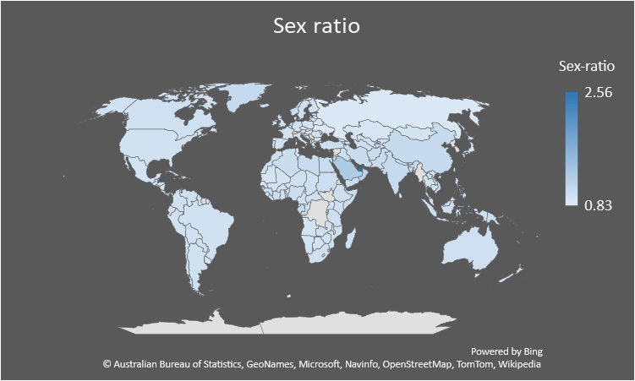
Country | Sex-ratio | Suicide rate
Afghanistan | 1.03 | 6.4
Algeria | 1.03 | 3.3
Angola | 0.95 | 8.9
Antigua and Barbuda | 0.89 | 0.5
Argentina | 0.98 | 9.1
Armenia | 0.95 | 5.7
Australia | 0.99 | 11.7
Austria | 0.96 | 11.4
Azerbaijan | 0.98 | 2.6
Bahrain | 1.53 | 5.7
Bangladesh | 0.97 | 6.1
Barbados | 0.94 | 0.4
Belarus | 0.87 | 21.4
Belgium | 0.97 | 15.7
Belize | 1 | 5.9
Benin | 0.97 | 15.7
Bhutan | 1.08 | 11.6
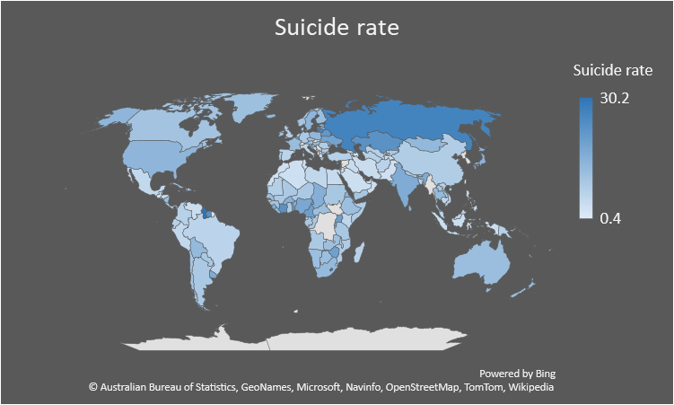
Bolivia | 0.98 | 12.9
Bosnia and Herzegovina | 0.95 | 6.4
Botswana | 0.93 | 11.5
Brazil | 0.97 | 6.1
Bulgaria | 0.95 | 7.9
Burkina Faso | 0.96 | 14.8
Burundi | 0.99 | 15
Cambodia | 0.95 | 5.9
Cameroon | 0.99 | 19.5
Canada | 0.98 | 10.4
Central African Republic | 0.99 | 11.6
Chad | 0.98 | 15.5
Chile | 0.97 | 9.7
China | 1.06 | 8
Colombia | 0.98 | 7
Comoros | 0.94 | 11.1
Republic of the Congo | 1.01 | 9.3
Costa Rica | 1 | 7.5
Croatia | 0.93 | 11.5
Cuba | 0.99 | 10.1
Cyprus | 1.05 | 4.5
Czech Republic | 0.97 | 10.5
Denmark | 0.99 | 9.2
Djibouti | 0.83 | 8.5
Dominican Republic | 1.02 | 10.5
Ecuador | 0.99 | 7.2
Egypt | 1.05 | 4.4
El Salvador | 0.92 | 13.5
Eritrea | 0.97 | 13.8
Estonia | 0.88 | 14.4
Ethiopia | 1 | 11.4
Fiji | 1.03 | 5.5
Finland | 0.97 | 11.7
France | 0.96 | 12.1
Gabon | 1.08 | 9.6
Georgia | 0.92 | 6.7
Germany | 0.96 | 9.1
Ghana | 0.97 | 8.7
Greece | 0.95 | 3.8
Greenland | 1.08 | 11.3
Grenada | 1.03 | 1.7
Guatemala | 0.99 | 2.9
Guinea | 1 | 10.5
Guinea | 1 | 10.5
Guyana | 1.02 | 30.2
Haiti | 0.98 | 12.2
Honduras | 0.95 | 3.4
Hungary | 0.91 | 13.6
Iceland | 1 | 13.3
India | 1.08 | 16.5
Indonesia | 1 | 3.7
Iran | 1.03 | 4
Iraq | 1.01 | 4.1
Ireland | 1 | 10.9
Israel | 1.01 | 5.2
Italy | 0.93 | 5.5
Ivory Coast | 1.01 | 23
Jamaica | 0.98 | 2
Japan | 0.94 | 14.3
Jordan | 1.11 | 3.7
Kazakhstan | 0.91 | 22.8
Kenya | 1 | 5.6
Kiribati | 0.94 | 15.2
Kyrgyzstan | 0.96 | 9.1
Laos | 0.99 | 9.3
Latvia | 0.86 | 17.2
Lebanon | 1 | 3.2
Lesotho | 0.98 | 28.9
Liberia | 1 | 13.4
Libya | 1.05 | 5.5
Lithuania | 0.86 | 25.7
Luxembourg | 1.02 | 10.4
Madagascar | 1 | 6.9
Malawi | 0.98 | 7.8
Malaysia | 1.03 | 6.2
Mali | 0.95 | 8.9
Malta | 1.01 | 6.5
Mauritania | 0.93 | 7.5
Mauritius | 0.96 | 7.3
Mexico | 0.96 | 5.2
Moldova | 0.96 | 13.4
Mongolia | 0.95 | 13.3
Morocco | 1 | 3.1
Mozambique | 0.97 | 8.4
Namibia | 0.96 | 11.5
Nepal | 0.96 | 9.6
Netherlands | 0.98 | 9.6
New Zealand | 1 | 11.6
Nicaragua | 0.95 | 11.9
Niger | 0.98 | 9
Nigeria | 1.02 | 17.3
North Macedonia | 0.99 | 6.2
Norway | 1.02 | 10.1
Oman | 1.18 | 3.5
Pakistan | 1.04 | 3.1
Panama | 1.01 | 4.4
Papua New Guinea | 1.04 | 7
Paraguay | 1 | 9.3
Peru | 0.96 | 5.1
Philippines | 1.01 | 3.7
Poland | 0.94 | 13.4
Portugal | 0.9 | 8.6
Romania | 0.95 | 8
Russia | 0.86 | 26.5
Rwanda | 0.96 | 11
Saudi Arabia | 1.3 | 3.4
Senegal | 0.94 | 11.8
Seychelles | 1.07 | 8.3
Sierra Leone | 0.95 | 16.1
Singapore | 0.96 | 7.9
Slovenia | 1 | 13.3
Solomon Islands | 1.04 | 5.9
Somalia | 1.02 | 8.3
South Africa | 0.98 | 12.8
Spain | 0.98 | 6.1
Sri Lanka | 0.95 | 14.2
Sudan | 1.01 | 9.5
Suriname | 1.01 | 23.2
Sweden | 1 | 13.8
Tajikistan | 0.99 | 3.3
Tanzania | 1 | 9.6
Thailand | 0.96 | 12.9
Togo | 0.98 | 16.6
Trinidad and Tobago | 1.03 | 12.9
Tunisia | 0.99 | 3.2
Turkey | 1.01 | 7.2
Turkmenistan | 0.98 | 7.2
Uganda | 0.94 | 20
Ukraine | 0.86 | 18.5
United Arab Emirates | 2.56 | 2.7
United Kingdom | 0.99 | 7.6
United States | 0.97 | 13.7
Uruguay | 0.94 | 16.5
Uzbekistan | 0.99 | 7.4
Vanuatu | 0.99 | 5.4
Venezuela | 0.99 | 3.8
Vietnam | 1.01 | 7
Yemen | 1.02 | 9.8
Zambia | 1 | 11.3
Zimbabwe | 0.96 | 19.1

